Flow Booking
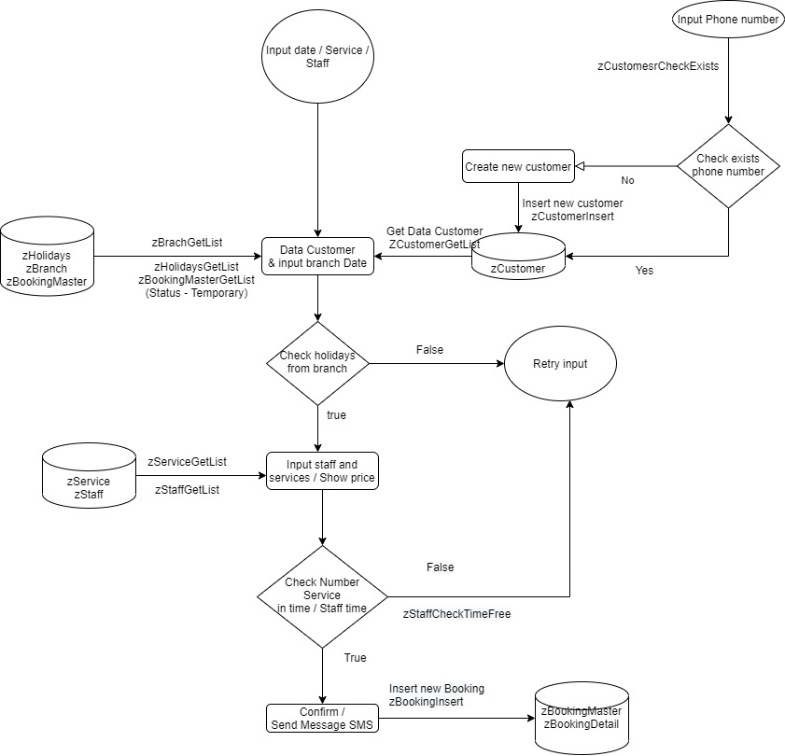
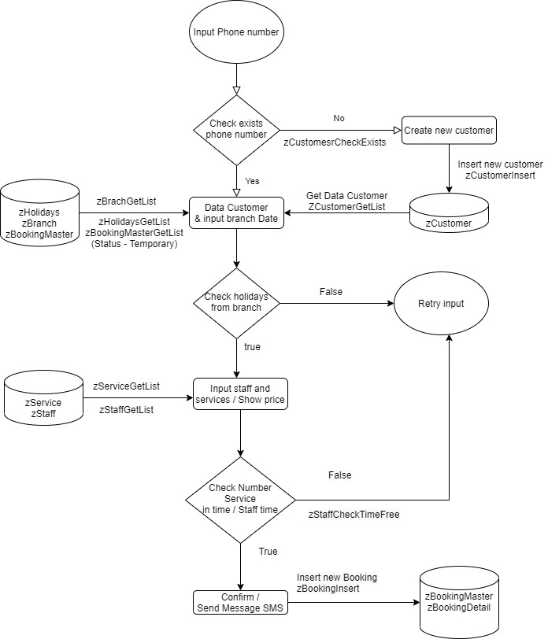
Booking | Web

Boohking Nham tao truoc don dat dich vu de bo phan khac su ly

Booking | App

Flow checking
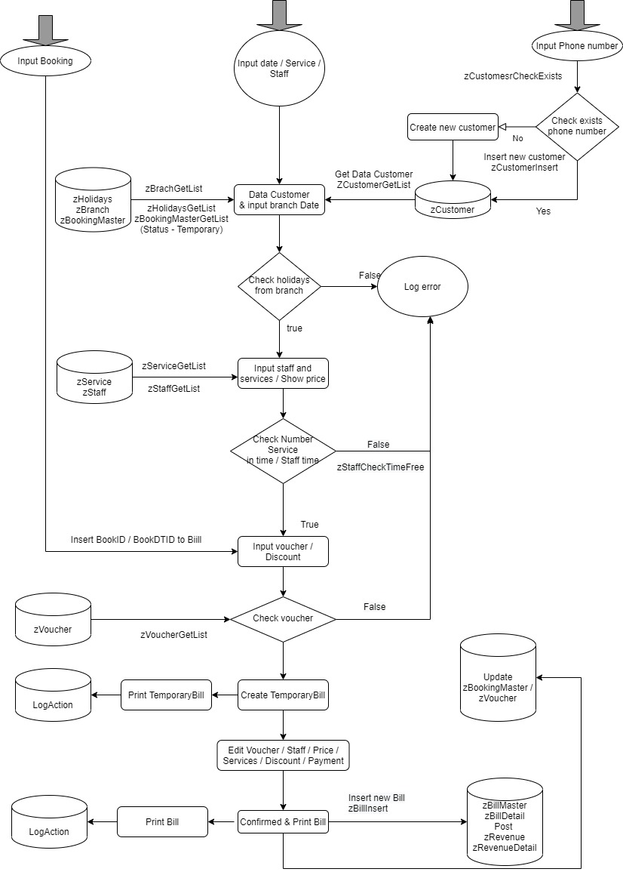
Flow | Checking

Flow Post
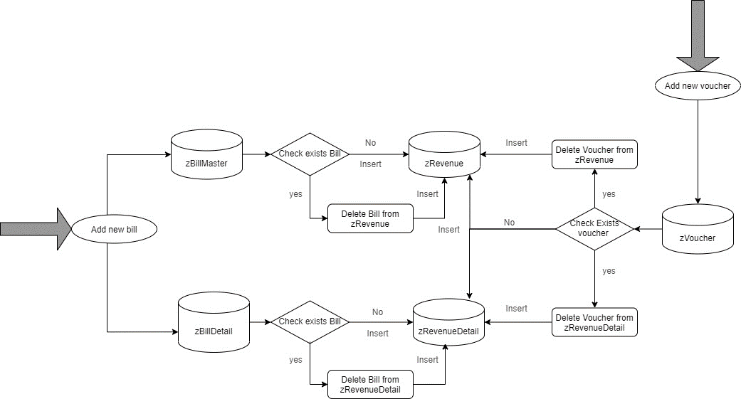

Flow Time Keeping
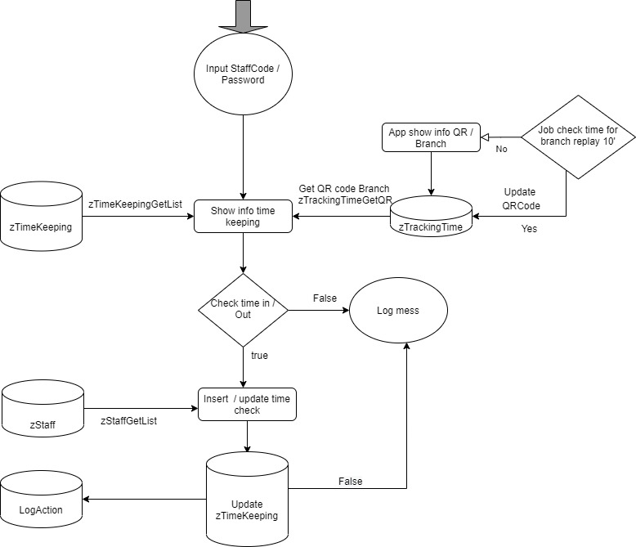
Flow

Flow PayRoll
